Test report
Status
Project "CALIFORNIA MARCKETING
Overall progress
Number of testers | 1
Total number of test cases | 25
Test cases executed | 25
Test cases stoped | 0
Status
Number of test cases planned | 25
Number of test cases executed | 25
Number of defect encountered so far | 3
Number of critical defects - still open | 3
Overall status
Number of test cases planned | 25
Number of test cases executed | 25
Pass Percentage of the defects | 12%
Critical defects percentage | 12%
Tests by status
Pass | 22
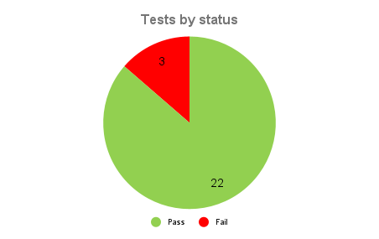
Tests by type
Fail | 3
Tests by type
Positive | 22
Negative | 3

